Collection and ID protocols
Neonectria collection & identification protocol using sporodochia – MELNHE 2017
Authored by Mariann Johnston

Materials - field
· Sterile 3 dram glass vials (60 per stand, 75 if including a Ca plot)
o Sterilization: Vials should be half-filled with DI water, autoclaved (lids loose), then tighten lids.
· 1 flat-edged metal blade
· 1 jet-lighter (butane-powered)
· Lab tape and marker for labeling vials
· Parafilm for extra sealant protection

Materials – lab
· Sterile water (autoclave a few 25-ml vials of DI water for lab use)
· Sterile pipettes (or a way to sterilize a pipette between use)
· Compound light microscope
· Glass slides
· Cover slips

Sample Vial Preparation:
Before going to field, collection vials should be prepared. Fill each glass vial about halfway with DI water. Place the cap loosely on the vial and place in the autoclave. Autoclave the vials with water using a 20 minute “liquids” cycle. After autoclaving, tighten the lid on each vial. The vials are now sterile and ready to be taken to the field.

Field Procedure:
In the field, visit each selected tree. Identify up to three lesions on each tree for collection. Lesions should be this year’s, and should have sporodochia (asexual fruiting phase, this occurs on cankers prior to the sexual fruiting phase (asci, contained inside perithecia and containing ascospores)). An ideal lesion for collection would look like this image:

The white powdery-looking material are sprodochia (asexual fruiting bodies). Note that the red balls (perithecia) are developing underneath the sporodochia. We will want to scrape this material into a sterile vial. It does not matter if you also scrape some of the red perithecia, but we especially want to get the white sporodochia. The sporodochia are fragile and will release condia (asexual spores; apearing like white smoke) when you disturb them.

Scrape the material into a sterile vial using a flame-sterilized scraper. This needs to be a straight-edged blade on a handle, like a scalpel or utility knife, that is narrow enough to fit in the vial and has a sharp edge for removing this material from the bark. Note, a more blunt, thin-bladed instrument such as a lab spatual could also be effective. Sterilize it by passing it through the jet-lighter flame. It does not have to be red-hot, just pass the blade through the flame for a few seconds prior to collection.

Sharp edge here
Handle here
Photo by J. Cale, Oct 2013

There are two possible approaches to collection.
a) The best method (in terms of reducing contamination risk) is to, after flame sterilization, use the blunt edge of the blade to come up underneath the sporodochia, catching/balancing them on the blade. Then insert the blade into the water in the vial (this is why it is important that the blade can fit into the vial) and agitate it to dislodge the material into the sterile water. Flame-sterilize the blade (to both dry and keep it sterile) and repeat as needed to gather sufficient sporodochia from that lesion. Cap and label the vial, seal with parafilm if available, and place on ice.
b) Another method is to to open a sterile vial, hold the top against the bark just under the sporodochia, and try to scrape material in using the edge of the blade. It is important to maintain sterile conditions as much as possible. After scraping as much sporodochia into the vial as possible, tightly cap and label the vial, seal with parafilm if avaialble, and place on ice.

This procedure should be repeated on up to three lesions per tree, with each lesion being scraped into its own vial. Be sure to sterilize the blade between lesions, and use a fresh vial for each lesion. It is possible to have both Neonectria species on one tree, this is why it is important to get multiple lesions per tree and keep them separate (we want to try to document this).

Keep samples on ice in the field. It is important that the vials are sealed, vials could be placed in sealed zip loc bags before putting on ice to ensure meltwater does not get inside. Upon return to the lab, use a sterile pipette to fill each vial to the top with sterile water. Place vials in refrigerator pending additional identification and culturing.

Identification.
This will be done in the lab by microscope as follows
1. Using a sterile pipette, place one drop of spore solution from one of the field vials onto a microscope slide. Add a cover slip.
2. Examine the prepared slide under the microscope. You are looking for macroconidia. Identify as follows:
3. Once identification has been confirmed, re-seal the vial and return to the refrigerator; the same solution will be used for culturing later.

Species | Macroconidia length | Macroconidia width | Macroconidia shape
Neonectria ditissima/ Cylindrocarpon heteronema | Approx 65-75 um | Approx 7 um | Straight to slightly curved
Neonectria faginata/ Cylindrocarpon faginatum | Approx 90-100 um | Approx 9 um | Strongly curved, crooked or sigmoid (occasionally straight)

Method from Cotter and Blanchard, 1981: Measure at least 25 ascospores from 2 to 3 perithecia per lesion and find the mean length.

Table 1: Morphological characteristics from Castlebury et al. 2006.
 | N. ditissima | N. faginata

Ascospore description: | Ellipsoid to fusiform, smooth to very fine spinulose | Ellipsoid to broadly ellipsoid and ornamented with regularly scattered warts

Ascospore size: | (14.9-18.9) x (6.5-8.3) μm | (10.4-12.0) x (5.2-6.4) μm
 | (avg. 16.9 x 7.4μm) | (avg. 11.0 x 5.5 μm)

 | 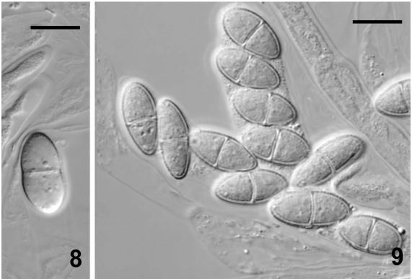 scale bar = 10μm | 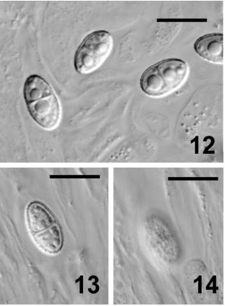 A picture containing photo Description generated with very high confidence

Ascospore ornamentation
(scale bar = 10μm)

Macroconidia description | Shorter, straight, and rarely slightly curved | Very long, up to 120 μm and strongly curved

 | 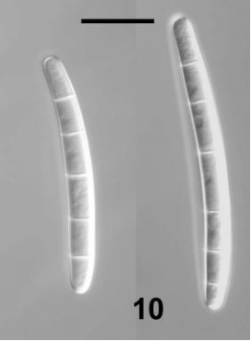 A close up of a white wall Description generated with high confidence | 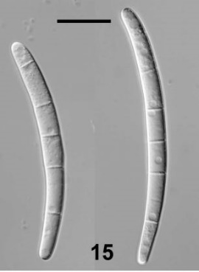 A close up of a white board Description generated with high confidence

Macroconidia ornamentation
(scale bar = 20μm)

Example of data sheet used for morphological identification:
Sample #: |  |  |  | Identified by: | Date:

Notes:

Sample #: |  |  |  | Identified by: | Date:

Notes:

Sample #: |  |  |  | Identified by: | Date:

Notes:

Sample #: |  |  |  | Identified by: | Date:

Notes:

Sample #: |  |  |  | Identified by: | Date:

Notes:

