Metadata
 | MELNHE Litterfall 2009-2015
People involved in sample collection

People involved with spreadsheet preparation
Prinicipal Investigator | Ruth Yanai : rdyanai@syr.edu

Project Description | Litterfall mass was measured in 10 stands in Fall 2009, spring 2010, and summer 2010 in the White Mountains, New Hampshire. In fall 2010 an extra site (C7) was added, making 11 stands of litter collected fall 2010, spring 2011 and later years. Litter collection was performed three times a year.
Data Set Methods
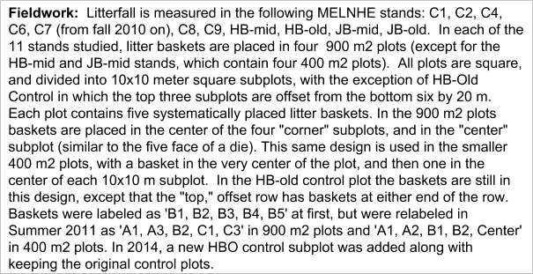

Sample Description | Dry leaf matter stored in paper bags.
Sample Location | Litter collected from Fall 2009 to spring 2013 (not Fall 2010) were dried, weighed and stored in 4th floor storage room in Bray at SUNY-ESF, Syracuse, NY. Litter from Fall 2010 is currently being sorted, dried and weighed in B9 at Marshall Hall in ESF. Litter collected after Sping 2013 is currently being dried and weighed at Bartlett Experimental Forest, NH.
Related Datasets | 1993-1996 Federer Chronosequence Litter Biomass; 2003-2005 Federer Chronosequence Litter Biomass (both contain litterfall biomass from other BEF sites)
Definitions of Variables | Missing values are coded as "." and 0 values represent a true weight of 0.0 g.
 | Other: Leaf material not identified to species
 | Twigs: Twigs < 30 mm diameter
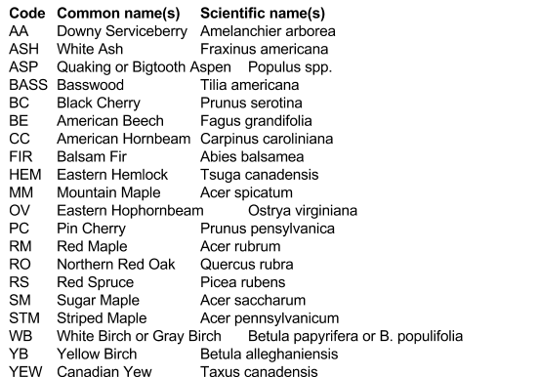

Related Publications: | None yet.

Index of Pages in this spreadsheet | Notes: Notes on the history of this workbook including dates of changes, estimation of missing samples, paired former and current labels for baskets, etc.
 | Litterfall mass 2009: Litter samples collected from fall 2009, spring 2010 and summer 2010, as a year of 2009 litter. Stand , plot, and basket number, along with the weights found in each basket. In fall 2009, weights were down to individual species for each basket.
 | Litterfall mass 2010: Litter samples collected from fall 2010, spring 2011 and summer 2011, as a year of 2010 litter. Stand , plot, and basket number, along with the weights found in each basket. In fall 2010, weights were down to individual species for each basket (not complete so far).
 | Litterfall mass 2011: Litter samples collected from fall 2011, spring 2012 and summer 2012, as a year of 2011 litter. Stand , plot, and basket number, along with the total weights found in each basket.
 | Litterfall mass 2012: Litter samples collected from fall 2012, spring 2013 and summer 2013, as a year of 2012 litter. Stand , plot, and basket number, along with the total weights found in each basket (not complete).
Known problems and inconsistencies | Baskets were relabeled in summer 2011, hard to pair the former name and current name for all baskets.

Notes
Work history:
Corrie created this workbook January 19, 2011 |  |  | estimated values
It contains data from the basket litter that was collected November 5-8, 2009 |  |  | not collected samples
and sorted by the 2010 field crew(s)

2009 Basket Litter - collected Nov 5-8, 2009 by Braulio Quintero and sorted by summer 2010 crew

Corrie and Craig worked on organizing and inventorying the litter on June 1, 2011

Craig worked on that during 2012 to 2013

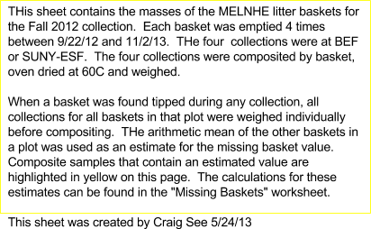
Yang reorganized the datasets on July 28, 2014

11/22/14 For litterfall mass 2012, There are two columns for C2 1 C3 |  | TOTAL
12/20/14 Griffin Walsh: Looking through the data, I picked out outliers, took out sticks, and made a comment on C2 2 Summer 2011 |  | 0
2/7/14 Max Charlamb was responsible for entering data for fall 2014 |  | 0
08/24/16 Here are some notes written on bags from Fall 2015: |  | 0
C9-3-C1: "tilted, broke, increase SA." |  | 0
C9-2-A3: "lots of broken bark/wood, basket had cracked bottom." |  | 0
C9-3-C3: "basket broke, increase SA."
2017-01-16 | Matt Regan: added wet field weights (frozen) for Fall 2014 HBM | 0
 |  | 0
 |  | 0
 |  | 0
 |  | 0

 |  | 0
 |  | 0
 |  | 0
 |  | 0
 |  | 0

 |  | 0
 |  | 0
 |  | 0
 |  | 0
 |  | 0

litterfall mass summer 2015
Site | Stand | Plot | Basket | Weight | Plot avg | Pin cherry stems | notes
BEF | C1 | 1 | A1 | 3.29 | 2.656
 |  | 1 | A3 | 2.59
 |  | 1 | B2 | 1.32
 |  | 1 | C1 | 2.7
 |  | 1 | C3 | 3.38
 |  | 2 | A1 | 2.05 | 1.934
 |  | 2 | A3 | 1.86
 |  | 2 | B2 | 0.68
 |  | 2 | C1 | 3.37
 |  | 2 | C3 | 1.71
 |  | 3 | A1 | 1.49 | 2.09
 |  | 3 | A3 | 2.67
 |  | 3 | B2 | 2.48
 |  | 3 | C1 | 2.26
 |  | 3 | C3 | 1.55
 |  | 4 | A1 | 3.28 | 2.688
 |  | 4 | A3 | 1.91
 |  | 4 | B2 | 2.04
 |  | 4 | C1 | 3.01
 |  | 4 | C3 | 3.2
BEF | C2 | 1 | A1 | 0.8 | 2.112
 |  | 1 | A3 | 2.86
 |  | 1 | B2 | 2.06
 |  | 1 | C1 | 2.34
 |  | 1 | C3 | 2.5
 |  | 2 | A1 | 1.61 | 2.644 | 13
 |  | 2 | A3 | 5.1
 |  | 2 | B2 | 2.3
 |  | 2 | C1 | 2.52 |  | 37
 |  | 2 | C3 | 1.69
 |  | 3 | A1 | 2.84 | 1.81 | 28
 |  | 3 | A3 | 1.88
 |  | 3 | B2 | 0.72
 |  | 3 | C1 | 2.31
 |  | 3 | C3 | 1.3
 |  | 4 | A1 | 3.16 | 2.424 | 7
 |  | 4 | A3 | 2.2
 |  | 4 | B2 | 1.92
 |  | 4 | C1 | 3.33
 |  | 4 | C3 | 1.51
BEF | C4 | 1 | A1 | 2.29 | 3.182
 |  | 1 | A3 | 3.08
 |  | 1 | B2 | 2.78
 |  | 1 | C1 | 4.98
 |  | 1 | C3 | 2.78 |  | 5
 |  | 2 | A1 | 2.2 | 3.416
 |  | 2 | A3 | 2.93
 |  | 2 | B2 | 3.8
 |  | 2 | C1 | 2.91
 |  | 2 | C3 | 5.24
 |  | 3 | A1 | 2 | 1.222
 |  | 3 | A3 | 0.57
 |  | 3 | B2 | 0.94
 |  | 3 | C1 | 1.28
 |  | 3 | C3 | 1.32 |  | 7
 |  | 4 | A1 | 1.85 | 1.852
 |  | 4 | A3 | 1.98
 |  | 4 | B2 | 0.66
 |  | 4 | C1 | 1.1
 |  | 4 | C3 | 3.67
BEF | C6 | 1 | A1 | 2.99 | 2.246
 |  | 1 | A3 | 1.91 |  | 16
 |  | 1 | B2 | 1.95
 |  | 1 | C1 | 2.12
 |  | 1 | C3 | 2.26 |  | 152
 |  | 2 | A1 | 0.93 | 1.412
 |  | 2 | A3 | 1.52 |  | 5
 |  | 2 | B2 | 1.21 |  | 1
 |  | 2 | C1 | 1.33
 |  | 2 | C3 | 2.07
 |  | 3 | A1 | 2.26 | 2.458
 |  | 3 | A3 | 1.52
 |  | 3 | B2 | 2.21
 |  | 3 | C1 | 5.06
 |  | 3 | C3 | 1.24
 |  | 4 | A1 | 0.86 | 2.034
 |  | 4 | A3 | 1.95
 |  | 4 | B2 | 2.22 |  | 9
 |  | 4 | C1 | 1.92
 |  | 4 | C3 | 3.22
BEF | C7 | 1 | A1 | 1.94 | 2.174
 |  | 1 | A3 | 1.96
 |  | 1 | B2 | 0.9
 |  | 1 | C1 | 1.64
 |  | 1 | C3 | 4.43
 |  | 2 | A1 | 2 | 1.322
 |  | 2 | A3 | 0.76
 |  | 2 | B2 | 1.28
 |  | 2 | C1 | 1.29
 |  | 2 | C3 | 1.28
 |  | 3 | A1 | 1.48 | 1.636
 |  | 3 | A3 | 0.9
 |  | 3 | B2 | 1.11
 |  | 3 | C1 | 2.43
 |  | 3 | C3 | 2.26
 |  | 4 | A1 | 5.28 | 2.796 |  | checked, weight correct
 |  | 4 | A3 | 2.91
 |  | 4 | B2 | 1.72
 |  | 4 | C1 | 2.51
 |  | 4 | C3 | 1.56
BEF | C8 | 1 | A1 | 2.07 | 1.598
 |  | 1 | A3 | 2.55
 |  | 1 | B2 | 0.52
 |  | 1 | C1 | 1.87
 |  | 1 | C3 | 0.98
 |  | 2 | A1 | 3.5 | 2.298
 |  | 2 | A3 | 3.75
 |  | 2 | B2 | 1.46 |  | 3
 |  | 2 | C1 | 1.14
 |  | 2 | C3 | 1.64
 |  | 3 | A1 | 1.7 | 1.426
 |  | 3 | A3 | 1.72
 |  | 3 | B2 | 1.62
 |  | 3 | C1 | 1.06
 |  | 3 | C3 | 1.03
 |  | 4 | A1 | 1.1 | 0.948
 |  | 4 | A3 | 0.82
 |  | 4 | B2 | 1
 |  | 4 | C1 | 0.84
 |  | 4 | C3 | 0.98
BEF | C9 | 1 | A1 | 1.67 | 3.106
 |  | 1 | A3 | 1.76
 |  | 1 | B2 | 10.6 |  |  | checked, correct weight
 |  | 1 | C1 | 0.94
 |  | 1 | C3 | 0.56
 |  | 2 | A1 | 3.05 | 1.862
 |  | 2 | A3 | 1.74 |  |  | checked, reweighed
 |  | 2 | B2 | 1.14
 |  | 2 | C1 | 1.52
 |  | 2 | C3 | 1.86
 |  | 3 | A1 | 1.6 | 1.458
 |  | 3 | A3 | 0.98
 |  | 3 | B2 | 2.12
 |  | 3 | C1 | 1.26
 |  | 3 | C3 | 1.33
 |  | 4 | A1 | 0.71 | 1.274
 |  | 4 | A3 | 1.63
 |  | 4 | B2 | 1.47
 |  | 4 | C1 | 0.84
 |  | 4 | C3 | 1.72
HB | HBM | 1 | A1 | 1.34 | 2.516
 |  | 1 | A2 | 1.17
 |  | 1 | B1 | 2.91
 |  | 1 | B2 | 2.59
 |  | 1 | C1 | 4.57
 |  | 2 | A1 | 1.23 | 3.13 |  | basket needs replacing
 |  | 2 | A2 | 4.83
 |  | 2 | B1 | 2.17
 |  | 2 | B2 | 2.56
 |  | 2 | C1 | 4.86 |  |  | other weight recorded:2.64
 |  | 3 | A1 | 1.88 | 1.956 |  | basket needs replacing
 |  | 3 | A2 | 1.11
 |  | 3 | B1 | 2.16
 |  | 3 | B2 | 1.79 |  | 133
 |  | 3 | C1 | 2.84
 |  | 4 | A1 | 2.29 | 1.712 |  | basket needs to be replaced
 |  | 4 | A2 | 1.98
 |  | 4 | B1 | 0.86
 |  | 4 | B2 | 1.61 |  |  | basket cracked. Sample lost
 |  | 4 | C1 | 1.82
HB | HBO | 1 | A1 | 0.48 | 0.798
 |  | 1 | A3 | 1.24
 |  | 1 | B2 | 0.5
 |  | 1 | C1 | 0.53
 |  | 1 | C3 | 1.24
 |  | 2 | A1 | ***no data, bag not found | 1.2275
 |  | 2 | A3 | 0.7
 |  | 2 | B2 | 2.03 |  | 3
 |  | 2 | C1 | 1.03
 |  | 2 | C3 | 1.15 |  | 1
 |  | 3 | A1 | 1.45 | 1.006 |  | basket handle cracked
 |  | 3 | A3 | 0.95
 |  | 3 | B2 | 0.68
 |  | 3 | C1 | 0.97 |  |  | basket uprooted
 |  | 3 | C3 | 0.98
 |  | 4 | A1 | 0.8 | 2.16
 |  | 4 | A3 | 2.12
 |  | 4 | B2 | 3.09
 |  | 4 | C1 | 3.53 |  |  | basket cracked
 |  | 4 | C3 | 1.26
JB | JBM | 1 | A1 | 0.58 | 0.91
 |  | 1 | A2 | 1.71
 |  | 1 | B1 | No leaves
 |  | 1 | B2 | 0.82 |  |  | labelled C3
 |  | 1 | Center | 0.53 |  |  | labelled C1
 |  | 2 | A1 | 0.95 | 0.95
 |  | 2 | A2 | 0.52
 |  | 2 | B1 | 1.67
 |  | 2 | B2 | 0.52
 |  | 2 | Center | 1.09
 |  | 3 | A1 | 1.48 | 1.066
 |  | 3 | A2 | 1.68
 |  | 3 | B1 | 0.7
 |  | 3 | B2 | 0.58
 |  | 3 | Center | 0.89 |  |  | labelled C3
 |  | 4 | A1 | 1.31 | 1.348
 |  | 4 | A2 | 0.87
 |  | 4 | B1 | 0.53 |  |  | labelled C3
 |  | 4 | B2 | 2.31
 |  | 4 | Center | 1.72 |  |  | labelled C1
JB | JBO | 1 | A1 | 0.19 | 0.786
 |  | 1 | A3 | 1.5
 |  | 1 | B2 | 1.07
 |  | 1 | C1 | 0.63
 |  | 1 | C3 | 0.54
 |  | 2 | A1 | 0.82 | 1.28
 |  | 2 | A3 | 0.66
 |  | 2 | B2 | 1.47
 |  | 2 | C1 | 2.66
 |  | 2 | C3 | 0.79
 |  | 3 | A1 | 0.86 | 1.372
 |  | 3 | A3 | 1.2
 |  | 3 | B2 | 2.94
 |  | 3 | C1 | 1.03
 |  | 3 | C3 | 0.83
 |  | 4 | A1 | 0.67 | 0.756
 |  | 4 | A3 | 0.84
 |  | 4 | B2 | 0.52
 |  | 4 | C1 | 1.1
 |  | 4 | C3 | 0.65

