Metadata
Project title | Shoestring project
Field crew | Kikang Bae (kbae02@syr.edu)
 | Corrie Blodgett (corrie.blodgett@gmail.com)
Data entered by | Kikang Bae (kbae02@syr.edu)
 | Corrie Blodgett (corrie.blodgett@gmail.com)
Principal investigator | Ruth Yanai (rdyanai@syr.edu)
 | Tim Fahey (tjf5@cornell.edu)
Research location | Hubbard Brook (mid and old)
 | Jeffers Brook (mid and old)
 | Bartlett C1 to C9 (9 stands)
Project description | Rock area is needed to know the surface area of the soil, for example when scaling respiration measurements from collars to stand area.
Methods | Rock depth and surface rocks were measured by probe and measuring tape along four transects in each plot, following the surveyed subplot boundaries.
 | Transects were 30 m in length (Figure 1) except in the mid-age stands in Jeffers Book and Hubbard Book, where the measurement area is 20 m across.
 | Rock Depth Method
 | Beginning at the starting stake of each transect, the depth to obstruction was measured with a probe every 2 m in the 30-m transects (16 points) and every 1.5 m in the 20-m transects (14 points at HB and 15 points at JB, with the last point being only 0.5 m from the preceding point). The Hubbard Brook old stand has an odd configuration in plot 4 (figure 2), but the total transect length was 120 m like the other large plots. The depth was measured from the top of the Oe horizon, after brushing aside the Oi (litter layer). If there was a tree at the sampling point, a point was probed at the nearest point possible. If the probe hit a root, another point was selected. The depth of rock obstruction was recorded to the nearest 5 cm. If no rock was found, the depth is noted as >30 cm.
 | Surface Rock Method
 | Surface rocks were measured as the length along the transect exposed above the Oi.
Related datasets | Rock volume is estimated from soil pits.
Publication | N/A
Known problems | C4 was measured in 2010 but the data have not been found. One subplot of HB-old Plot 4 was not measured. These plots will be measured again in 2011.
 | The basal area of trees should be subtracted from the rock-free surface area to get the soil surface area.
 | Surface rocks are defined differently in the two data sets. Rock depth was measured from Oe, so a "surface rock" in the Rock Depth data set could be below the Oi, up to a depth of about 2.5 cm. (Rocks at depths of about 2.5 to 7.5 cm would be recorded as 5 cm deep.) In contrast, in the Surface Rock data set, rocks were measured only where they showed above the Oi. There was significant difference between 'Rock Depth' and 'Surface Rock' result with a 1 tailed, paired t-test (p = 0.0003, see sheet t-test). The magnitude of the difference between two methods was 1.5 % of surface area (6.6% rock area by rock depth method and 5.1% rock area by surface rock method).
Comments | Tim suggested measuring the proportion of rock-free surface area to scale up the area represented in our soil respiration measurements. Ruth asked whether we should use the probed rock depth, since respiration collars would not be installed at points with rocks within 5 cm of the surface.
 | The area calculated from the length of the transect intersecting surface rocks is more precise than the point-sampled estimate, but it was applied only for rocks visible above the litter layer.

Figure 1. Measurement points on transects for rock depth
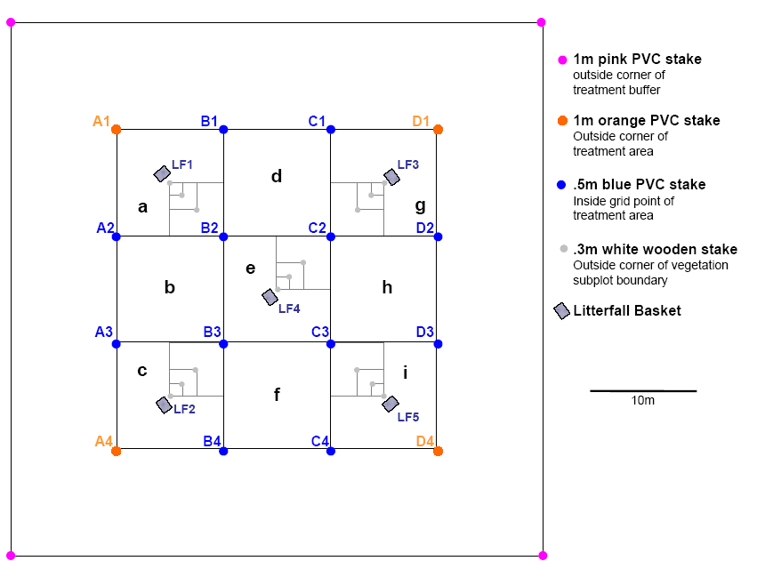
Probe for rock depth

Note that as of 12/2010, this layout does not pertain to all plots.
Some sites are mirror images of this layout. We hope to rename them (and our past data) in 2011.
If we rename them, the stake labels in these data would also change.

Figure 2. Hubbard Brook old stand, plot 4

